Invoice
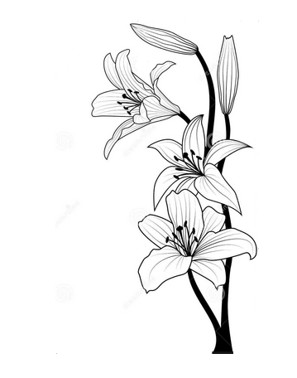 | Lizpa Landscaping, Inc. |  |  | PROPOSAL

 | Bill To: | Anil Rohatgi | Phone: | # | 109
 | Address: | 362 Cedarcrest Court Lake Mary, FL 32746 | Fax: | Invoice Date: | 2023-02-23
 | Service Address: | SAME AS ABOVE | Email:

 | Qty | Description |  |  | Price

 |  | See picture A
 | 65 | Option1 - 3 gal Viburnum Plants/ $8.50 each |  |  | $552.50
 | 32 | Option 2 - 7 gal Viburnum Plants/ $25 each |  |  | $800.00

 |  | See Picture B
 | 65 | Option 3 - 3 gal Viburnum Plants/$8 each |  |  | $520.00
 | 33 | Option 4 - 7 gal Viburnum Plant/ $22 each |  |  | $726.00
 | 16 | Option 5 - 15 gal Viburnum Plant/$80 each |  |  | $1,280.00

 |  | Labor
 |  | For 3 gal installation |  |  | $455.00
 |  | For 7 gal installation |  |  | $561.00
 |  | For 15 gal installation |  |  | $960.00

 |  | Delivery Fee |  |  | $100.00

 | Make all checks payable to Lizpa Landscaping, Inc.
 | Thank you for your business!!

